Ductility
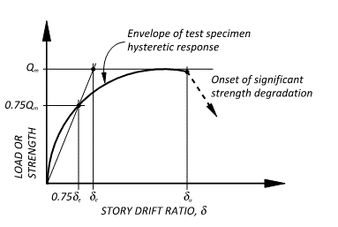
Definition of ductility capacity
Ductility capacity = Ultimate displacement/Elastic displacement. Note, ductility capacity cannot be less than 1.
Ultimate displacement is that displacement (at or beyond the displacement at peak strength in the direction of loading) at which significant strength degradation initiates.
Elastic displacement is equal to 1/0.75 times the specimen displacement at 0.75 times the peak strength, taken for the first loading cycle to reach or exceed this strength. I.e., Elastic displacement is the linear extrapolation up to peak strength of the effective initial stiffness defined by question 8.

